Sheet3
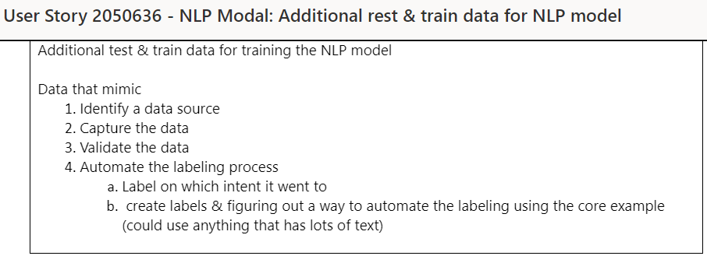
Task:--

Direction

Kannan :--

